Instrument Comparison
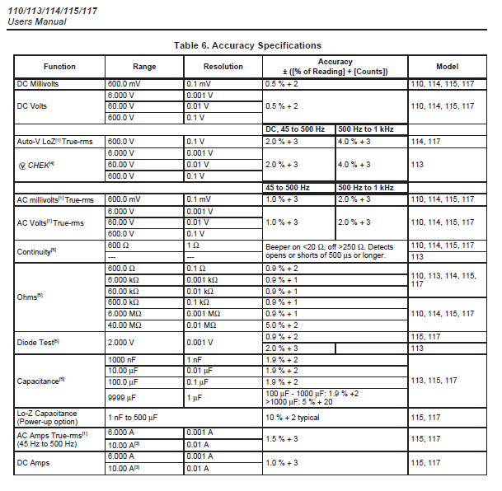
Fluke
8005553.05 (± 1% Resistors) |  |  |  |  | Fluke 117 |  | Fluke 289 |  | Keysight DAQ970A
ATP Para. | Resistance Ohms | ± Tolerance Ohms | Test Lead A | Test Lead B | Range | ± Tolerance Ohms | Range | ± Tolerance Ohms | Range | ± Tolerance Ohms
4.6 | 2700 | 27 | P3 - Excitation (Black) | P2 - Return (Yellow) | 6 kΩ | 25.3 | 5 kΩ | 1.550 | 10 kΩ | 0.158
 | 1700 | 18 | P5 - Signal (Red) | P2 - Return (Yellow) |  | 16.3 |  | 1.050 |  | 0.118
 | 1600 | 17 |  |  |  | 15.4 |  | 1.000 |  | 0.114
 | 1500 | 16 |  |  |  | 14.5 |  | 0.950 |  | 0.11
 | 1400 | 15 |  |  |  | 13.6 |  | 0.900 |  | 0.106
 | 1300 | 14 |  |  |  | 12.7 |  | 0.850 |  | 0.102
 | 1200 | 13 |  |  |  | 11.8 |  | 0.800 |  | 0.098
 | 1100 | 12 |  |  |  | 10.9 |  | 0.750 |  | 0.094
 | 1000 | 11 |  |  |  | 10.0 |  | 0.700 | 1 kΩ | 0.047
 | 100 | 2 | P4 - Low Level Excitation (White) | P1 - Low Level Signal (Blue) | 600 Ω | 1.1 | 500 Ω | 0.150 | 100 Ω | 0.012

8005553.05 (± 0.1% Resistors) |  |  |  |  | Fluke 117 |  | Fluke 289 |  | Keysight DAQ970A
ATP Para. | Resistance Ohms | ± Tolerance Ohms | Test Lead A | Test Lead B | Range | ± Tolerance Ohms | Range | ± Tolerance Ohms | Range | ± Tolerance Ohms
4.6 | 2700 | 2.7 | P3 - Excitation (Black) | P2 - Return (Yellow) | 6 kΩ | 25.3 | 5 kΩ | 1.550 | 10 kΩ | 0.158
 | 1700 | 2.5 | P5 - Signal (Red) | P2 - Return (Yellow) |  | 16.3 |  | 1.050 |  | 0.118
 | 1600 | 2.4 |  |  |  | 15.4 |  | 1.000 |  | 0.114
 | 1500 | 2.3 |  |  |  | 14.5 |  | 0.950 |  | 0.11
 | 1400 | 2.2 |  |  |  | 13.6 |  | 0.900 |  | 0.106
 | 1300 | 2.1 |  |  |  | 12.7 |  | 0.850 |  | 0.102
 | 1200 | 2.0 |  |  |  | 11.8 |  | 0.800 |  | 0.098
 | 1100 | 1.9 |  |  |  | 10.9 |  | 0.750 |  | 0.094
 | 1000 | 1.8 |  |  |  | 10.0 |  | 0.700 | 1 kΩ | 0.047
 | 100 | 0.9 | P4 - Low Level Excitation (White) | P1 - Low Level Signal (Blue) | 600 Ω | 1.1 | 500 Ω | 0.150 | 100 Ω | 0.012

8005465.05 (Circuit A Switches) |  |  |  |  | Fluke 117 |  | Fluke 289 |  | Keysight DAQ970A
ATP Para. | Resistance Ohms | ± Tolerance Ohms | Test Lead A | Test Lead B | Range | ± Tolerance Ohms | Range | ± Tolerance Ohms | Range | ± Tolerance Ohms
4.6 | 0 | n/a | P3 - Excitation (Blue) | P6 - Excitation (Blue) | 600 Ω | 0.2 | 50 Ω | 0.020 | 100 Ω | 0.006
4.7 | 600 | 2 | P3 - Excitation (Blue) P6 - Excitation (Blue) | P2 - Return (Black) |  | 5.6 | 5 kΩ | 0.500 | 1 kΩ | 0.031
 | 550 | 2 | P5 - Signal (Orange) | P2 - Return (Black) |  | 5.2 |  | 0.475 |  | 0.029
 | 500 | 2 |  |  |  | 4.7 | 500 Ω | 0.350 |  | 0.027
 | 450 | 2 |  |  |  | 4.3 |  | 0.325 |  | 0.025
 | 400 | 2 |  |  |  | 3.8 |  | 0.300 |  | 0.023
 | 350 | 2 |  |  |  | 3.4 |  | 0.275 |  | 0.021
 | 300 | 2 |  |  |  | 2.9 |  | 0.250 |  | 0.019
 | 250 | 1 |  |  |  | 2.5 |  | 0.225 |  | 0.017
 | 200 | 1 |  |  |  | 2.0 |  | 0.200 |  | 0.015
 | 150 | 1 |  |  |  | 1.6 |  | 0.175 |  | 0.013
 | 100 | 1 |  |  |  | 1.1 |  | 0.150 | 100 Ω | 0.012
 | 50 | 1 |  |  |  | 0.7 | 50 Ω | 0.095 |  | 0.009

8005465.05 (Circuit B Switches) |  |  |  |  | Fluke 117 |  | Fluke 289 |  | Keysight DAQ970A
ATP Para. | Resistance Ohms | ± Tolerance Ohms | Test Lead A | Test Lead B | Range | ± Tolerance Ohms | Range | ± Tolerance Ohms | Range | ± Tolerance Ohms
4.6 | 0 | n/a | P9 - Excitation (White) | P12 - Excitation (White) | 600 Ω | 0.2 | 50 Ω | 0.020 | 100 Ω | 0.006
4.7 | 600 | 2 | P9 - Excitation (White) P12 - Excitation (White) | P8 - Return (Yellow) |  | 5.6 | 5 kΩ | 0.500 | 1 kΩ | 0.031
 | 550 | 2 | P11 - Signal (Red) | P8 - Return (Yellow) |  | 5.2 |  | 0.475 |  | 0.029
 | 500 | 2 |  |  |  | 4.7 | 500 Ω | 0.350 |  | 0.027
 | 450 | 2 |  |  |  | 4.3 |  | 0.325 |  | 0.025
 | 400 | 2 |  |  |  | 3.8 |  | 0.300 |  | 0.023
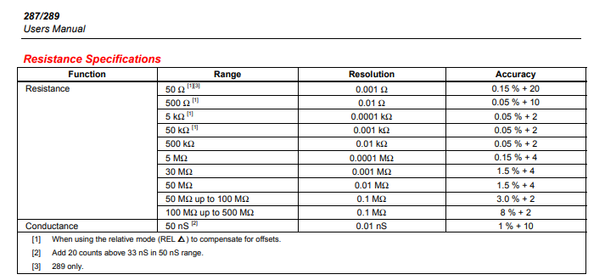
 | 350 | 2 |  |  |  | 3.4 |  | 0.275 |  | 0.021
 | 300 | 2 |  |  |  | 2.9 |  | 0.250 |  | 0.019
 | 250 | 1 |  |  |  | 2.5 |  | 0.225 |  | 0.017
 | 200 | 1 |  |  |  | 2.0 |  | 0.200 |  | 0.015
 | 150 | 1 |  |  |  | 1.6 |  | 0.175 |  | 0.013
 | 100 | 1 |  |  |  | 1.1 |  | 0.150 | 100 Ω | 0.012
 | 50 | 1 |  |  |  | 0.7 | 50 Ω | 0.095 |  | 0.009

8005571.05 (Circuit A Switches) |  |  |  |  | Fluke 117 |  | Fluke 289 |  | Keysight DAQ970A
ATP Para. | Resistance Ohms | ± Tolerance Ohms | Test Lead A | Test Lead B | Range | ± Tolerance Ohms | Range | ± Tolerance Ohms | Range | ± Tolerance Ohms
4.1 | 2100 | 21 | Signal (Orange) | Return (Black) | 6 kΩ | 19.9 | 5 kΩ | 1.250 | 10 kΩ | 0.134
5.6 | 1100 | 12 | P2 - Signal (Orange) | P3 - Return (Black) |  | 10.9 |  | 0.750 |  | 0.094
 | 1000 | 11 |  |  |  | 10.0 |  | 0.700 | 1 kΩ | 0.047
 | 900 | 10 |  |  |  | 9.1 |  | 0.650 |  | 0.043
 | 800 | 9 |  |  |  | 8.2 |  | 0.600 |  | 0.039
 | 700 | 8 |  |  |  | 7.3 |  | 0.550 |  | 0.035
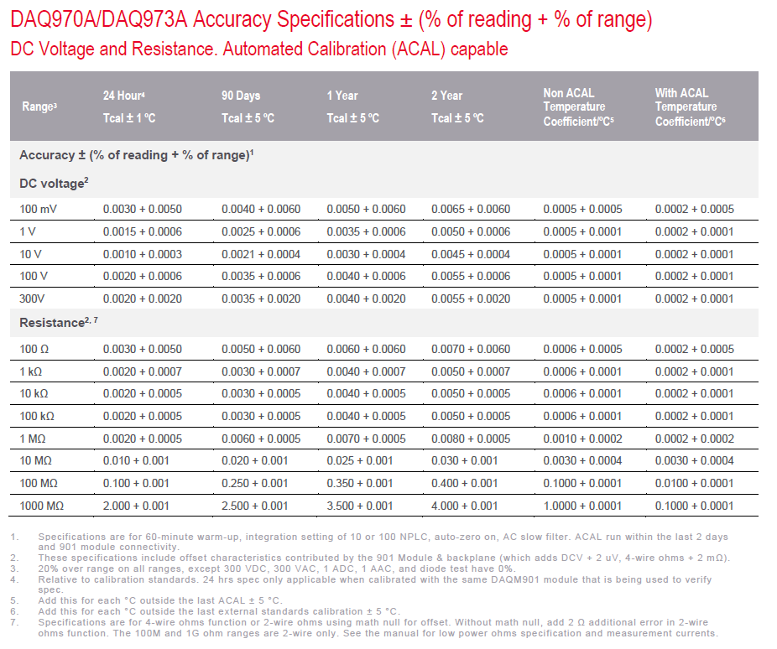
 | 600 | 7 |  |  | 600 Ω | 5.6 |  | 0.500 |  | 0.031
 | 500 | 6 |  |  |  | 4.7 | 500 Ω | 0.350 |  | 0.027
 | 400 | 5 |  |  |  | 3.8 |  | 0.300 |  | 0.023
 | 300 | 4 |  |  |  | 2.9 |  | 0.250 |  | 0.019
 | 200 | 3 |  |  |  | 2.0 |  | 0.200 |  | 0.015
 | 100 | 2 |  |  |  | 1.1 |  | 0.150 | 100 Ω | 0.012

8005571.05 (Circuit B Switches) |  |  |  |  | Fluke 117 |  | Fluke 289 |  | Keysight DAQ970A
ATP Para. | Resistance Ohms | ± Tolerance Ohms | Test Lead A | Test Lead B | Range | ± Tolerance Ohms | Range | ± Tolerance Ohms | Range | ± Tolerance Ohms
4.1 | 2100 | 21 | Signal (Red) | Return (Yellow) | 6 kΩ | 19.9 | 5 kΩ | 1.250 | 10 kΩ | 0.134
5.6 | 1100 | 12 | P5 - Signal (Red) | P4 - Return (Yellow) |  | 10.9 |  | 0.750 |  | 0.094
 | 1000 | 11 |  |  |  | 10.0 |  | 0.700 | 1 kΩ | 0.047
 | 900 | 10 |  |  |  | 9.1 |  | 0.650 |  | 0.043
 | 800 | 9 |  |  |  | 8.2 |  | 0.600 |  | 0.039
 | 700 | 8 |  |  |  | 7.3 |  | 0.550 |  | 0.035
 | 600 | 7 |  |  | 600 Ω | 5.6 |  | 0.500 |  | 0.031
 | 500 | 6 |  |  |  | 4.7 | 500 Ω | 0.350 |  | 0.027
 | 400 | 5 |  |  |  | 3.8 |  | 0.300 |  | 0.023
 | 300 | 4 |  |  |  | 2.9 |  | 0.250 |  | 0.019
 | 200 | 3 |  |  |  | 2.0 |  | 0.200 |  | 0.015
 | 100 | 2 |  |  |  | 1.1 |  | 0.150 | 100 Ω | 0.012

